Screen Layout
 | A. User Management
 | 1. Indiviuals tab | 2. Companies | 3. Public Figures
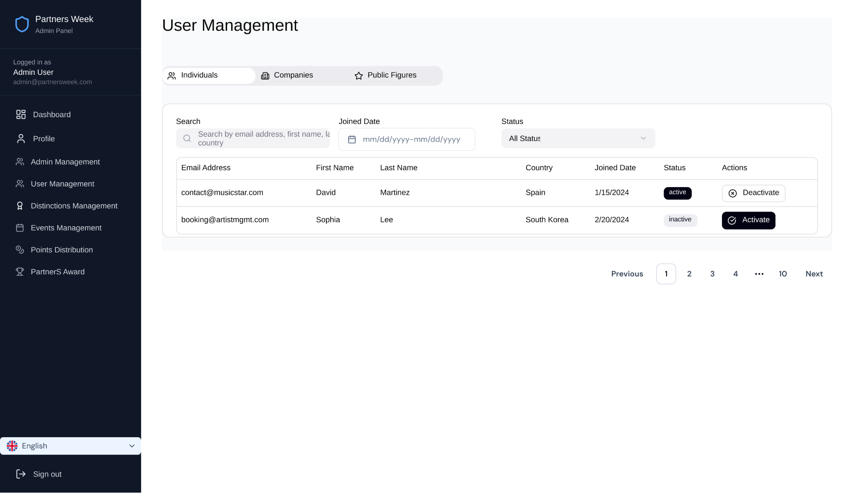
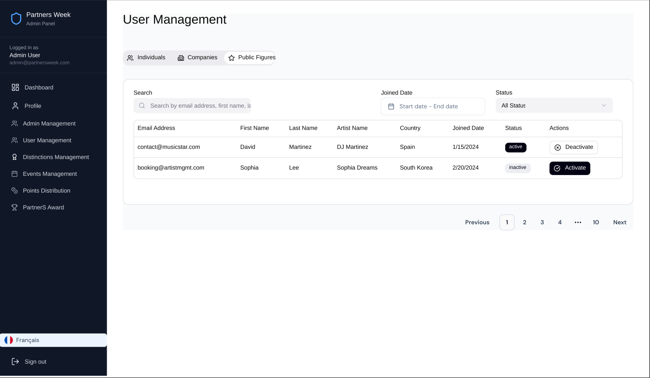

B. Forgot password

